Landing Page
Company Logo

 | About Us | Testamonials |  | Our Product Offering | Contact Us | Login |  | Register

Take the first step toward a smarter, more effortless life. Book your consultation today and let’s design a home that works for you—not the other way around! |  |  |  |  |  |  |  |  | < full container Picture >

 |  |  | Book a Free Consultation

Why Choose Us?

 |  |  |  |  |  |  |  |  | Question: Can we have a list [Ref Why_Us.csv] that will populate here and users can skroll / the system rotate them every so often?
Innovative & Smart Design Solutions |  |  |  | Expert Guidance & Consultation |  |  | Transparent & Fair Pricing

Leverage the latest technology to visualize and plan your space with precision. |  |  |  | Our experienced design professionals help bring your vision to life with tailored recommendations. |  |  | Get high-quality design services at a competitive price—no hidden costs, just value.

Company Logo
 |  |  |  |  |  | Quick Links

 |  |  |  |  |  | Our Products |  | Contact Us

 |  |  |  |  |  | About Us |  | Testimonials
123 Main Street
Charlotte, NC 28203 |  |  |  |  |  | Book a Free Consultation |  | Frequently Asked Questions

Social Media |  |  |  |  |  |  |  | Terms of Use

Log In
Company Logo

 | About Us | Testamonials | Our Product Offering | Contact Us | Login | Register
No Changes for This Page

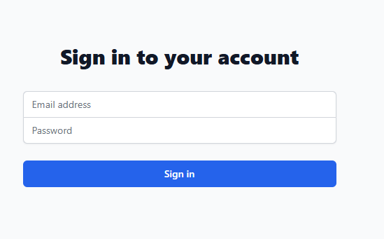

Standard Footer

About Us
Company Logo

 |  |  | About Us | Testamonials | Our Product Offering | Contact Us | Login |  | Register

< Picutre>

 |  | Our Mission

 |  | Our mission is to simplify everyday life through seamless home automation, giving you more time for what truly matters... living life. By integrating cutting-edge technology with intuitive design, we create smart, efficient, and personalized living experiences—so your home works for you, not the other way around. With a focus on ease, security, and convenience, we empower individuals and families to take control of their space effortlessly, making every interaction smarter, smoother, and stress-free.

 |  | What Drives Us?

 |  | We are driven by a deep passion for innovation, efficiency, and the power of automation to transform daily life. We believe that technology should work for you—not create more complexity. Our commitment is rooted in three key principles: > Simplicity – Designing intuitive systems that eliminate hassle and make life easier. > Efficiency – Helping you reclaim time by automating the mundane, so you can focus on what matters. > Empowerment – Giving you complete control over your home with seamless, personalized automation. We are inspired by the idea that a well-designed smart home is more than just convenience—it’s about freedom, security, and balance. Our goal is to create smarter living spaces that enhance comfort, improve well-being, and bring peace of mind to every home we touch. Because when your home works effortlessly, so can you.

 |  | Message from the Owner

 |  | We believe that technology should make life simpler, not more complicated. When I first started this journey, I saw how overwhelming and time-consuming managing a home could be—juggling daily tasks, security, energy efficiency, and comfort. I knew there had to be a better way. That’s why we created a seamless home automation experience—one that puts you in control while removing the stress of everyday routines. Our mission is to design solutions that fit effortlessly into your life, giving you back your most valuable resource—time. Whether you’re a busy professional, a parent managing a household, or simply someone who values ease and efficiency, our team is here to help you create a smarter, more intuitive home. We’re not just building technology—we’re building a better way to live. And we can’t wait to bring that vision to your home. [Owner’s Name] Founder & CEO, [Your Company Name]

Our Leadership Team

 | Why Choose Us?

 | Personalized & Scalable Designs |  |  |  | Seamless Virtual & In-Person Consultations |  |  | Efficient Project Planning & Execution

 | From single-room makeovers to full-home transformations, we adapt to your needs. |  |  |  | Connect with our designers from anywhere through advanced digital tools. |  |  | We streamline the design process with technology, ensuring a smooth and hassle-free experience.

 |  | Ready to get Started ?

 |  |  |  | Book your Free Consultation

Standard Footer

Contact Us
Company Logo

 |  | About Us | Testamonials | Our Product Offering | Contact Us | Login | Register

 | 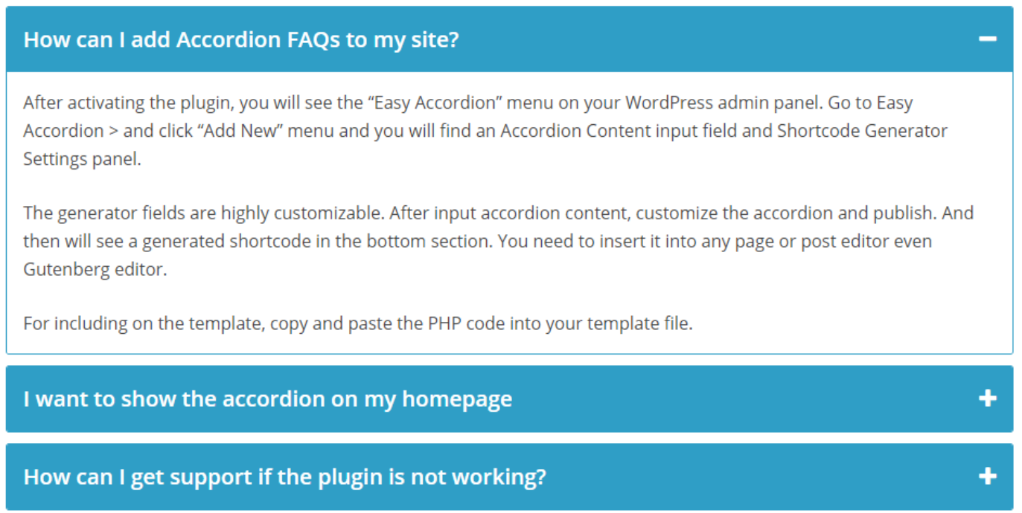 FAQ

 |  |  |  |  |  |  |  | This list should tie directly to the FAQ list.

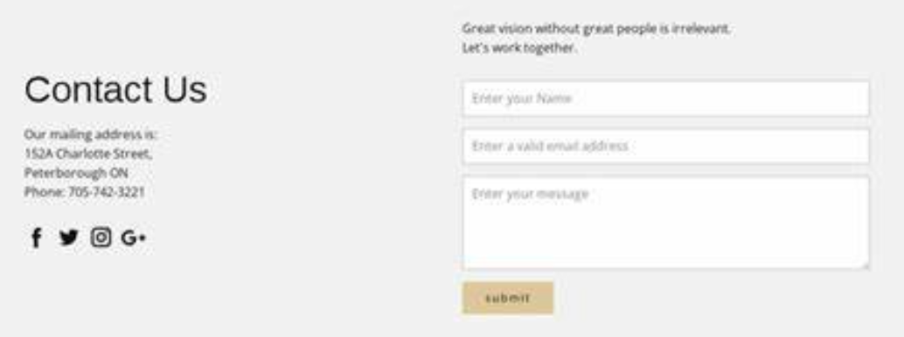 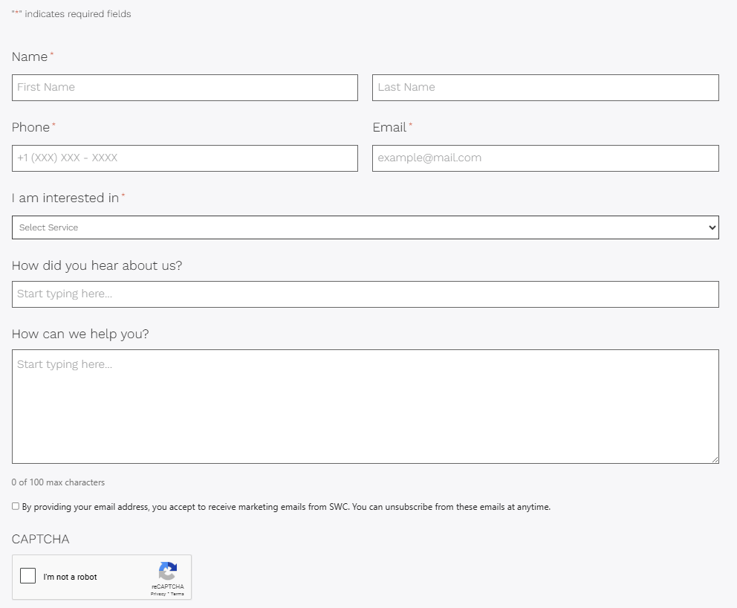

 |  |  |  |  |  |  |  | I am interested in - - Drop Down
 |  |  |  |  |  |  |  |  | 🔹 I have a general question
 |  |  |  |  |  |  |  |  | 🔹 I’m interested in your programs/services
 |  |  |  |  |  |  |  |  | 🔹 I need support or troubleshooting help
 |  |  |  |  |  |  |  |  | 🔹 I’d like to explore a partnership
 |  |  |  |  |  |  |  |  | 🔹 I have feedback or a suggestion

 |  |  |  |  |  |  |  | Where will this submission go to?

Company Geo Location

Footer

Our Product Offering
Company Logo

 |  |  | About Us |  | Testamonials |  |  | Our Product Offering |  | Contact Us |  |  | Login |  | Register

Browse By: |  |  |  |  |  |  |  |  |  |  |  |  |  |  | < Filter Results >

 | Category |  |  | Solution Set |  |  |  | View All Products, Sensors and Programs |  |  | Problems We have Solved |  |  | Smart Appliances |  | Minimum System Requirements

 |  |  |  |  |  |  |  |  |  |  |  |  |  |  |  |  | Minimum System Requirements

 |  |  |  |  |  |  |  |  |  |  |  |  |  |  |  |  | When you buy a system from our company, you can expect the following enhancements to your home that come standard with every system: 1) Standard Feature #1 2) Standard Feature #2 3) Standard Feature #3 4) Standard Feature #4 5) Standard Feature #5 You can expect these features, as well as your own selections why making your personalized home.

 |  | Results

 |  |  | Result Category Ref |  |  | Result Category Ref |  |  | Result Category Ref |  |  | Result Category Ref |  |  | Result Category Ref

 |  |  | Short Description |  |  | Short Description |  |  | Short Description |  |  | Short Description |  |  | Short Description

 |  |  | Add to My Selection |  |  | Add to My Selection |  |  | Add to My Selection |  |  | Add to My Selection |  |  | Add to My Selection

 |  |  | Explore More |  |  | Explore More |  |  | Explore More |  |  | Explore More |  |  | Explore More

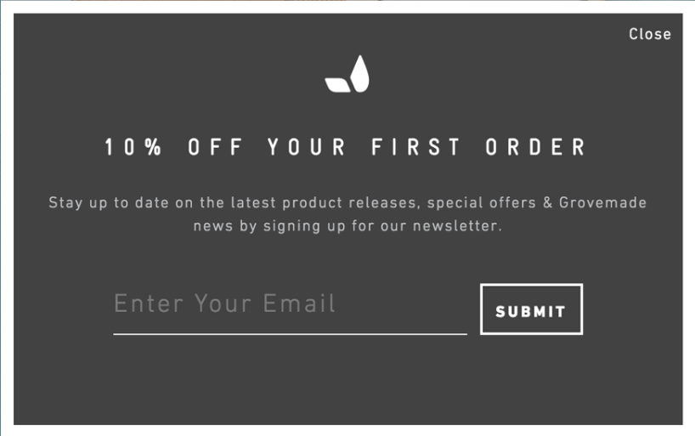
 |  |  |  | Selected Category Name

 |  |  | Result Category Ref | Long Description |  |  |  |  |  |  |  | Result Category Ref |  |  | Result Category Ref

 |  |  | Short Description |  |  |  |  |  |  |  |  | Short Description |  |  | Short Description

 |  |  | Add to My Selection |  |  |  |  |  |  |  |  | Add to My Selection |  |  | Add to My Selection

 |  |  | Explore More |  |  |  |  |  |  |  |  | Explore More |  |  | Explore More

 |  |  |  |  |  |  |  |  |  |  |  | Result Category Ref |  |  | Result Category Ref

 |  |  |  |  | I am not Interested in this Item |  |  | Add to My Selection |  |  |  | Short Description |  |  | Short Description

 |  |  | Add to My Selection |  |  |  |  |  |  |  |  | Add to My Selection |  |  | Add to My Selection

 |  |  | Explore More |  |  | Explore More |  |  | Explore More |  |  | Explore More |  |  | Explore More

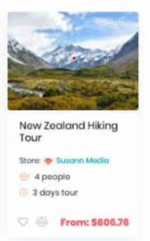

Why Choose Us?

 | Seamless Virtual & In-Person Consultations |  |  |  |  |  |  | Efficient Project Planning & Execution |  |  |  |  | Access to Premium Materials & Vendors

 | Connect with our designers from anywhere through advanced digital tools. |  |  |  |  |  |  | We streamline the design process with technology, ensuring a smooth and hassle-free experience. |  |  |  |  | Get exclusive access to top-tier materials, finishes, and furnishings for a refined look.

 | Take the first step toward a smarter, more effortless life. Book your consultation today and let’s design a home that works for you—not the other way around!

 |  |  |  |  |  |  | Book a Free Consultation

 |  | Read what our users have to say

Standard Footer

Register
Company Logo

 |  | About Us | Testamonials | Our Product Offering | Contact Us |  | Login |  | Register

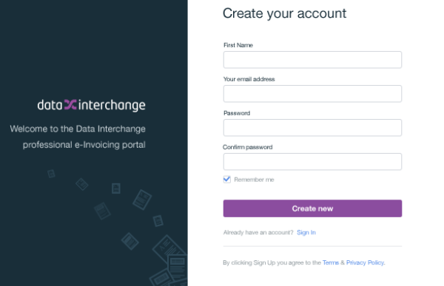

 | First Name |  |  | Last Name

 | Email Address

 | Phone Number

 | Password

 | Confirm Password

 | Home Address

 | Prefferred Contact Method |  |  |  |  | Call |  | SMS | Email

 | Agreement to Terms & Privacy Policy

Standard Footer

